Rate Methodology 070123
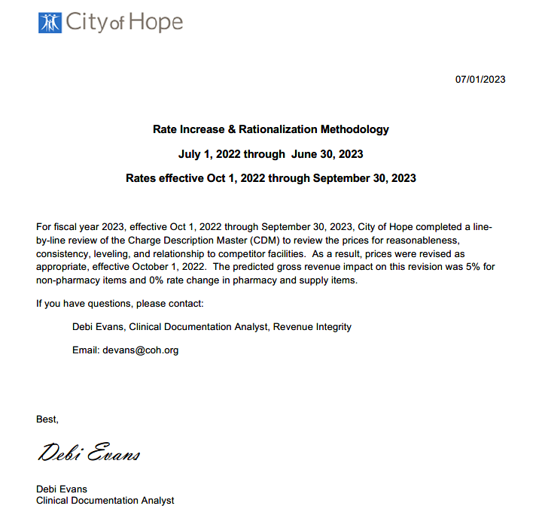
Title | Total
Initial Gross Revenue (pre 10/1/2022) | $3,728,039,754.00
Gross Revenue Increase | $186,582,471.00
Expected Gross Revenue (post 10/1/2022) | $3,914,622,225.00
Gross % Increase | 5.00%

